UPS
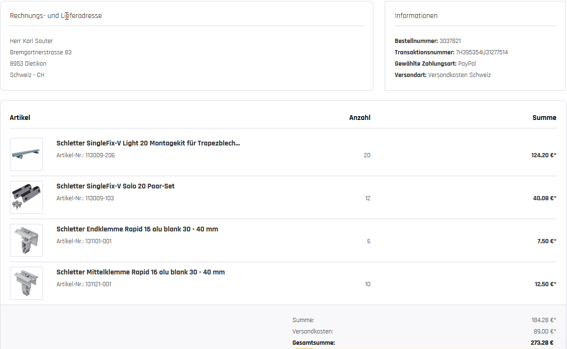
1 = AccuratTraction 24V 200Ah
2 = SHUNBIN Livepo4 12V 100ah
3 = Victron LEAD CARBON 12V 160Ah
4 = Victron Batterie AGM Super Cycle
1 = SolaX inverter X1 Boost 3000
2 = ALPHA Outback 3000/24/ MPPT
3 = SolaxX1 Air X1-3.0
4 = OPTI - Solar 3000VA/ MPPT
PHASE I Location Accra, Palas Town N 5.6° W 0.17° by "Cuckoo" | Batteries | W_sys | W_req | Hours autonomy | DoD % | Volt_Sys | Battery override |  | 2 | choose BATTERY
Upgrading 2020 / 21 | 2 | 2,560 | 1,115 | 2.1 | 90 | 25.6 | 0 |  | SHUNBIN Livepo4 12V 100ah
SHUNBIN Livepo4 12V 100ah | 3,136 | 1,269 | 4,405 | 33.3 | %sim | by Cuckoo | DoD override |  | 2 | Choose INVERTER / MPPT
ALPHA OUTBACK SPC III 3000-24 | pcs | V | Watt | Wh | h | Wh/day | 0 |  | ALPHA OUTBACK SPC III 3000-24
1 = I'M SOLAR 340W Mono
2 = TRINA HoneyBlack 340W
3 = AXITEC AXI AC-320MH/60S
4 = Panasonic HIT N330 250W
5 = SHARP NU-AF370M60 / 300W
# 1 GARAGE: Door automatic, Ventilator, LED | 1 | 230 | 500 | 500 | 0.5 | 250 | %sim override |  | 1 | choose SOLAR PANEL
# 2 LED Security Lighting & El. Locks & Video | 1 | 230 | 120 | 120 | 8.0 | 960 | 0 |  | I'M SOLAR 280P Polycrystallin
# 3 Guest I: Vonado, LED | 1 | 230 | 76 | 76 | 2.0 | 152 | Panel nos override
# 4 Master Bedroom / Office: TV, CPU, Router , LED, Vonado | 1 | 230 | 416 | 416 | 5.0 | 2,080 | 0
# 5 GUEST II: TV, Vonado, LED | 1 | 230 | 196 | 196 | 2.0 | 392
# 6 KITCHEN, STORE & CORRIDOR, Vonado | 3 | 230 | 120 | 360 | 3.0 | 1,080 |  |  | Batterie Specifications |  |  | SHUNBIN Livepo4 12V 100ah
# 7 DINING, Vonado, LED | 2 | 230 | 101 | 202 | 2.0 | 404 |  |  | Whsys | AhBatt | Vbatt | Vsys | Vcell/batt | Parameters
# 8 LIVING ROOM: TV, Sat, LED, Vonado | 1 | 230 | 254 | 254 | 4.0 | 1,016 |  |  | 2,560 | 100 | 12.8 | 25.6 | 3.2
# 9 PORCH, Ventilator | 1 | 230 | 74 | 74 | 1.0 | 74 |  |  | Battery (Cells)-bank |  | V_sys | Ah_sys | DoD % | 0.90
# 10 CONTAINER, Restroom Staff: TV, 3 LED, Ventilator | 2 | 230 | 100 | 200 | 4.0 | 800 |  |  | 2 | Enter | 25.6 | 100.0 | Eff. Battery | 0.98
Connector Strips | 7 | 230 | 20 | 140 | 3.0 | 420 | Check config.! |  | parallel=0 | 1 | seriel | 2 | Eff. Inverter | 0.96
Fluorescent Lights | 4 | 230 | 12 | 48 | 0.0 | 0 |  |  | parallel=0 | 0 |  | 2 | autonomie hrs | 0.00
Ventilators | 2 | 230 | 60 | 120 | 6.0 | 720 |  |  | Strings | 1 | 0 | mm2 / A / 1.5m | simFactor | 0.33
 |  |  |  | 2,706 | 3.1 | 8,348 | Total W/day |  | 390 x260 x 232 |  | BxHxT | 25 / 130 A | Lade V | 14.0-14.4 |  | 1
 |  |  |  | W | Wh_calc | with aux. = 1 | 0
 |  |  | W_req | 1,115 | 2,680 | sim aux | 0.5 |  | Panel & Array Specifications |  |  | I'M SOLAR 280P Polycrystallin |  |  |  |  |  |  |  |  | 3
 |  |  |  |  |  |  |  |  | Nos | W_panel | W_array | Wh_req | Sun hrs | m2 Area |  |  |  |  |  |  | 6+
Components selected Phase I upgrade | Nos. | selected | calc. | CHF | CHF | kg | kg total |  | 5 | 280 | 1,802 | 1,115 | 6.5 | 3.3
ALPHA OUTBACK SPC III 3000-24 | 1 | Ordered |  | 940.80 | 940.80 | 8 | 8 |  | Strings | Panels/ String | Voc | Isc (A)
SHUNBIN Livepo4 12V 100ah | 2 | Ordered |  | 1,067.86 | 2,135.72 | 16 | 32 |  | 1 | 5 | 38.3 | 9.4 | Temp
Batteriekabel 34mm² / 2m , red | 1 |  |  | 20.85 | 20.85 | 1 | 1 |  | 1 | 0 | 191.65 | 9.4 | % Solar cover | 100
Batteriekabel 34mm² / 2m , black | 1 |  |  | 20.85 | 20.85 | 1 | 1 |  | Panel size mm |  |  | mm2 / A | kg | kg total
Batteriekabel 34mm² / 0.5m , black | 2 |  |  | 8.95 | 17.90 |  | 0 |  | 1665 | 1005 | 35 | 4 / 15A | 18.0 | 90.0
100A Sicherungs-Automat mit Resetschalter / Aufbauversion | 1 |  |  | 16.65 | 16.65 | 0 | 0
250A Sicherungs-Automat mit Resetschalter / Aufbauversion | 1 |  |  | 27.26 | 27.26 | 0 | 0
 |  |  |  | PHASE I | 3,136.1 | Upgrade | 42
PHASE II 2021
I'M SOLAR 280P Polycrystallin
Planning

Components selected Phase II upgrade | Nos | nos | selected | CHF | CHF | kg | Ah | kg total
I'M SOLAR 280P Polycrystallin | 5 | 1.6 | 5 | 142.0 | 710.00 | 18.5 | 280 | 93
Schletter SingleFix-V Montagekit | 5 |  | 1 | 300.6 | 300.61 | 0.5 |  | 3
Waterproof Circuit Breakers 2x80A; 1x250A | 1 |  | 1 | 67.4 | 67.40 | 0.1 |  | 0
Solar Kabel 2x10mm2 / 30m | 1 |  | 1 | 107.5 | 107.50
Solar Kupplungsstecker / Buchse 10 mm2 | 4 | m | 2 | 10.5 | 42.00 |  |  | 0
Offgridtec Charge Regulator to Battery with 30A Fuse | 0 |  | 0 | 24.5 | 0.00 | 1.5 |  | 0
MC4 Solar Crimping Tool Kits | 1 |  | 1 | 41.0 | 41.00 | 1.5 |  | 2

10
 | 5 | Batteries |  | PHASE II | 1,268.5 |  |  | 97

 |  |  |  | TOTAL I & II | 4,404.6 | CHF

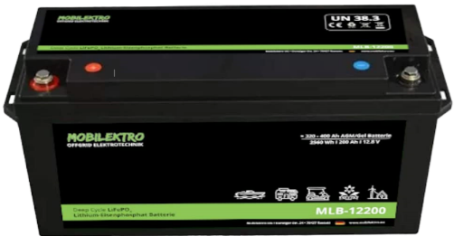
Connected to the EXISTING Distribution Box & Generator | Nos | V | selected | W | hrs | kWh/Day | kg
Water Pump AL-KO Comfort 5000 | 1 | 220 | 0 | 750 | 1.0 | 750 |  |  |  | IWS Solar
Water Pump DAB Active JC 102M | 1 | 220 | 1 | 750 | 1.0 | 450 | 12.5
bükert 6213 EV 2/2 Solenoid Valve 24V | 1 | 24 | 1 | 30 | 2.0 | 60
Eelectrical Gate Locks and Video | 1 | 24 | 1 | 15 | 0.1 | 2
SAMSUNG M2070X Xpress laserprinter | 0 | 220 | 0 | 1,000 | 0.5 | 0
Tumbler (Dryer) | 0 | 220 | 0 | 2,500 | 4.0 | 0
Washing Machine | 0 | 220 | 0 | 500 | 4.0 | 0 |  |  | Options & Specifications
Airconditioners 1.5 HP (4) | 0 | 220 | 0 | 1,500 | 4.0 | 0 |  |  | SOLAR PANELS |  |  |  | Watt | Voc | Isc | H | Width | D | CHF | W_array | panels | Total | kg
Airconditioners 2.0 HP | 0 | 220 | 0 | 2,000 | 8.0 | 0 |  | 1 | I'M SOLAR 280P Polycrystallin |  |  | alma-solarshop | 280 | 38.33 | 9.4 | 1665 | 1005 | 35 | 142.00 | 1,802 | 5 | 710.00 | 19 | 95
Airconditioners 2.5 HP | 0 | 220 | 0 | 2,500 | 8.0 | 0 |  | 2 | TRINAsolar HoneyBlack 340W |  |  | europe-solarstore | 320 | 41.1 | 10.55 | 1698 | 1004 | 35 | 138.03 | 2'168 | 5 | 690.15 | 18.8 | 94.0
Deep Freezer | 1 | 220 | 1 | 180 | 8.0 | 1,440 |  | 3 | Axitec AXIpremium AC-360M/156-72S |  |  | europe-solar | 360 | 47.0 | 9.8 | 1956 | 992 | 40 | 189.39 | 2'300 | 5 | 946.95 | 23.0 | 115.0
Fridge | 1 | 220 | 1 | 120 | 8.0 | 960 |  | 4 | Panasonic HIT® N250 |  |  | europe-solar | 250 | 53.2 | 6.0 | 1580 | 798 | 35 | 181.20 | 1'604 | 5 | 906.00 | 24 | 120.0
Dishwasher | 0 | 220 | 0 | 1,200 | 1.5 | 0 |  | 5 | SHARP NU-BA385 |  |  | europe-solar | 385 | 48.15 | 10.2 | 2010 | 992 | 40 | 159.43 | 2'456 | 5 | 797.15 | 23 | 115.0
Gaggenau kitchen exhaust hood | 0 | 220 | 0 | 200 | 2.0 | 0
Oven, Coffe Machine, Microwave | 0 | 220 | 0 | 2,500 | 0.2 | 0 |  |  | BATTERIES |  |  |  |  | Wh | V | Batteries |  |  | CHF |  |  |  | Kg
Pressing Iron | 0 | 220 | 0 | 1,200 | 1.0 | 0 |  | 1 | ACCURAT Traction 24V 200Ah |  |  | amzon.de | 200 | 5120 | 25.6 | 1 |  |  | 2,237.20 |  |  |  | 26 | 26
 |  |  |  | 26,269 | W | 3,662 |  | 2 | SHUNBIN Livepo4 12V 100ah |  |  | amazon.de | 100 | 1280 | 12.8 | 2 |  |  | 1,067.86 | 335 x 174 x 191 mm |  |  | 16 | 32
 |  |  |  |  |  |  |  | 3 | Victron Lead- Carbon 12V / 160 Ah |  |  | swiss-victron | 160 | 1920 | 12 | 2 |  |  | 620.00 |  |  |  | 55 | 110
 |  |  |  |  |  |  |  | 4 | Victron Gel Deep Cycle 12V/220Ah |  |  | swiss-victron | 220 | 2640 | 12 | 2 |  |  | 689.00 | 522 x 238 x 240 mm |  |  | 66 | 132

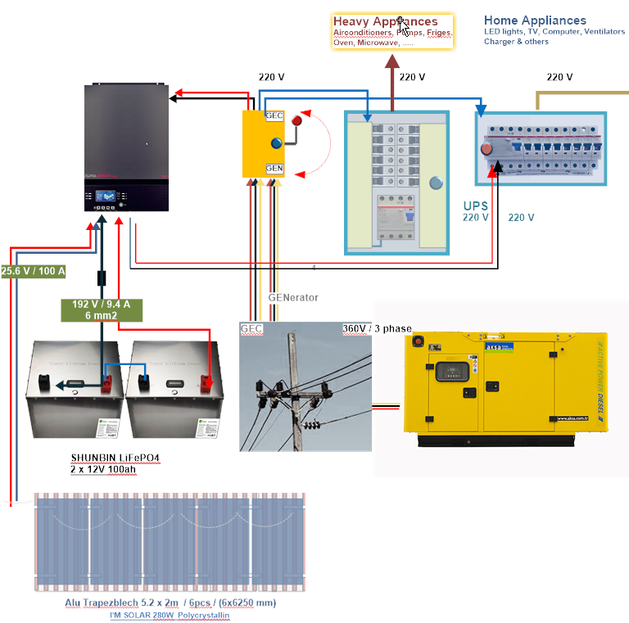
 |  |  |  |  |  |  |  |  | Off-Grid INVERTERS with MPPT |  |  |  | kVA |  | V | VocT | MPPT | AC | CHF
 |  |  |  |  |  |  |  | 1 | SolaX inverter X1 Boost 3000 |  |  | alma-solarshop | 3000 |  | 230 | 70-580 | 80A |  | 550.00
 |  |  |  |  |  |  |  | 2 | ALPHA OUTBACK SPC III 3000-24 |  |  | merkasol | 3000 | 24V | 230 | 120-450 | 60A | 60A | 940.80 | 8.5
 |  |  |  |  |  |  |  | 3 | SolaxX1 Air X1-3.0 |  |  | europe-solar | 3200 |  | 220 | 100-580 | 10A |  | 829.25
 |  |  |  |  |  |  |  | 4 | OptiSolar SP3000 Handy / MTTP |  |  | ebay | 4000 | 24V | 360 | 120-450 | 80A |  | 770.00

 |  |  |  |  |  |  |  |  | Montagesystem |  |  | 5 | Schletter SingleFix-V Montagekit |  |  |  |  |  | 880.00
 |  |  |  |  |  |  |  | 1 | BK IROC S3 Montage [1x250-380Wp] |  |  | GreenAkku |  |  |  |  | 0 | 116.63 | 0
 |  |  |  |  |  |  |  | 2 | [2x250-380Wp] Montagepaket |  |  |  |  |  |  |  | 1 | 169.06 | 169.06
 |  |  |  |  |  |  |  | 3 | [3x250-380Wp] Montagepaket |  |  | GreenAkku |  |  |  |  | 1 | 150.00 | 150.00
 |  |  |  |  |  |  |  | 4 | [4x250-380Wp] Montagepaket |  |  |  |  |  |  |  | 1 | 334.91 | 334.91
 |  |  |  |  |  |  |  | 5 | Schletter SingleFix-V Montagekit |  |  | 4-all |  |  |  |  | 1 | 880.00 | 880.00

